Calculator
Gutters, Downpipes and Overflow
Help Guide

 |  |  |  | Calculator
Step 1 - Select location, roof catchment area and eave gutter length
Locality |  | Roof design
State | Location | Roof catchment area per downpipe (m2) | Eave gutter length (m)
NT | Darwin | 70 | 2

Gutter type/s required
Gutter type | Gutter description
F | Gutter type F - must be designed in accordance with AS/NZS 3500.3

Downpipe size allowed
 | 75 mm dia. | 100 mm x 50 mm | 90 mm dia. | 100 mm x 75 mm
F | N/A | N/A | N/A | N/A

Step 2 - Select any continuous overflow measures
Continuous overflow measures
First continuous measure | Second continuous measure | Third continuous measure | Total continuous measures overflow capacity (L/s/m) | Total continuous measures overflow capacity (L/s)
None | None | None | 0.0 | 0.0
Step 3 - Select any dedicated overflow measures
Dedicated overflow measures
First dedicated measure | Second dedicated measure | Third dedicated measure | Fourth dedicated measure | Total dedicated measures overflow capacity (L/s)
None | None | None | None | 0.0
Step 4 - Check whether overflow measures are adequate
Overflow volume (L/s) | Total overflow capacity
5.3 | 0.0 | Select further overflow measures
NOTICE FOR ALL USERS:
The Gutter, Downpipes and Overflow (GDO) Calculator is not a compliance tool, nor a Verification Method. It is provided solely to aid practitioners in developing their understanding of the NCC. The GDO Calculator has been developed to assist users to develop a better understanding of the ABCB Housing Provisions Standard Part 7.4 Gutters and downpipes. If used correctly, the green shaded cells indicate the planned GDO arrangements are likely to meet the standard required by the NCC. However, the reliability of the GDO Calculator’s results are dependent upon the accuracy of the data input by users. It remains the user’s responsibility to ensure that the planned GDO arrangements meet the standards required by the NCC and related State and Territory legislation, and obtain professional advice where required.

IMPORTANT NOTICE AND DISCLAIMER IN RESPECT OF THIS GDO CALCULATOR:
By accessing or using this calculator, you agree to the following: While care has been taken in the preparation of this calculator, it may not be complete or up-to-date. You can ensure that you are using a complete and up-to-date version by checking the ABCB website (www.abcb.gov.au). The ABCB, the Commonwealth of Australia and States and Territories of Australia do not accept any liability, including liability for negligence, for any loss (howsoever caused), damage, injury, expense or cost incurred by any person as a result of accessing, using or relying upon this publication, to the maximum extent permitted by law. No representation or warranty is made or given as to the currency, accuracy, reliability, merchantability, fitness for any purpose or completeness of this publication or any information which may appear on any linked websites, or in other linked information sources, and all such representations and warranties are excluded to the extent permitted by law. This calculator is not legal or professional advice. Persons rely upon this calculator entirely at their own risk and must take responsibility for assessing the relevance and accuracy of the information in relation to their particular circumstances.

© Commonwealth of Australia and the States and Territories of Australia 2022, published by the Australian Building Codes Board.
The material in this publication is licensed under a Creative Commons Attribution—4.0 International licence, with the exception of third party materials and any trade marks. It is provided for general information only and without warranties of any kind. More information on this CC BY licence is set out at the Creative Commons website. For information regarding this publication, see abcb.gov.au.

 |  |  |  | Colour Guide
 |  |  |  | Input
 |  |  |  | Calculated
 |  |  |  | Valid result
 |  |  |  | Invalid result

Help sheet
Gutter, Downpipes and Overflow
Help Guide
Return to calculator worksheet
 | Calculator
Technical information

1. Version
 | Version 2.3

 | Updates to this file may be available for download from the ABCB website from time to time. The file name will include the version number. The latest version should always be used.

 | A record of changes made to each version of this Calculator appears at the end of this Help Guide.

2. Operating system
 | This Calculator has been developed in the Windows ® version of Microsoft Excel ® 2013.

3. Displaying the Calculator form
 | The Calculator form has been designed for viewing at 100% zoom.

 | Some users may need to adjust the screen zoom setting to see the whole form at once. The worksheet background does not change when zoom settings are altered and also does not print.

4. Changing input details
 | Gold filled cells on the Calculator form are accessible for user input. (Other cells generally cannot be selected or edited.)

 | Cells missing inputs are highlighted in red. Inputs must be chosen from the drop list in order to use the calculator.

5. Printing
 | The Calculator form can be printed using the File | Print menu.

 | The print area has been pre-set to allow printing as one or more A4 pages (portrait format). Some margins may need to be adjusted to suit some printers (particularly inkjets).

 | The Help button shown on the top right of the Calculator form, the coloured band behind the form title and the coloured background are not intended to print as part of the form (to reduce ink or toner usage).

 | These Help instructions can be printed (using File | Print) for ready reference while using the Calculator form.

6. Users' worksheet
 | A protected worksheet with most cells accessible has been provided for users' notes and calculations. Protection is essential to maintain the integrity of the Calculator but does restrict the functions and operations available to the user. The worksheet can be accessed by selecting its tab at the bottom of the Excel window.

 | Use of this worksheet is optional and responsibility for its contents and consequences remains entirely with the user.

Acceptable overflow measures

 | Overflow capacity of acceptable continuous overflow measures

 | Front face slotted gutter
 | A front face slotted gutter has an overflow capacity of 0.5 L/s/m with –
 | (i) A minimum slot opening area of 1200 mm² per metre of gutter; and
 | (ii) The lower edge of the slots installed a minimum of 25 mm below the top of the fascia.
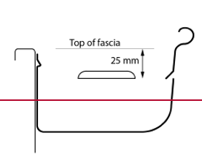

 | Controlled back gap
 | A controlled back gap has an overflow capacity of 1.5 L/s/m with –
 | (i) A permanent 10 mm minimum spacer installed between the gutter back and the fascia; and
 | (ii) One spacer per bracket, with the spacer not more than 50 mm wide; and
 | (iii) The back of the gutter installed a minimum of 10 mm below the top of the fascia.
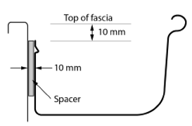

 | Controlled front bead height
 | A controlled front bead height has an overflow capacity of 1.5 L/s/m with the front bead of the gutter installed a minimum of 10 mm below the top of the fascia.

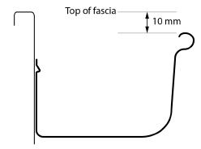

 | Overflow capacity of acceptable dedicated overflow measures per downpipe

 | End stop weir
 | An end stop weir has an overflow capacity of 0.5 L/s with –
 | (i) A minimum clear width of 100 mm; and
 | (ii) The weir edge installed a minimum 25 mm below the top of the fascia.
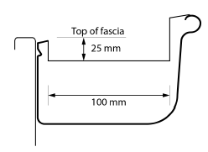

 | Note: An end stop weir is not suitable where the end-stop abuts a wall

 | Inverted nozzle (installed within 500mm of a gutter high point)
 | An inverted nozzle has an overflow capacity of 1.2 L/s with –
 | (i) A minimum nozzle slot size of 100 mm x 50 mm positioned lengthways in the gutter; and
 | (ii) The top of the nozzle installed a minimum of 25 mm below the top of the fascia.
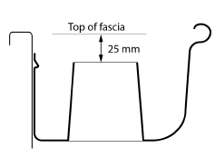

 | Front face weir
 | A front face weir has an overflow capacity of 1.0 L/s with –
 | (i) A minimum clear width of 200 mm; and
 | (ii) A minimum clear height of 20 mm; and
 | (iii) The weir edge installed a minimum of 25 mm below the top of the fascia.
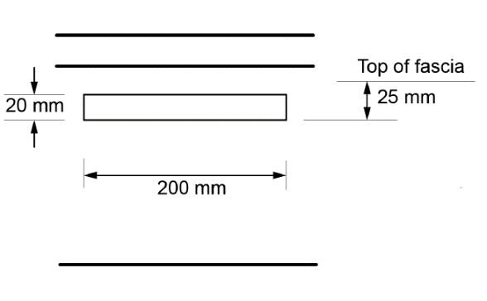


 | Rainhead
 | A rainhead has an overflow capacity of 3.5 L/s with –
 | (i) A 75 mm diameter hole in the outward face of the rainhead; and
 | (ii) The centreline of the hole positioned 100 mm below the top of the fascia.
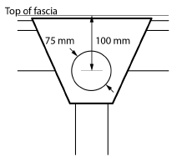

Version history

 | Version 2.3: Minor edit made to type F gutters. AS/NZS 3500.5 reference removed as this is no longer an NCC referenced document.

 | Version 2.2: The Calculator was refreshed in 2022. Minor technical changes were made to align with NCC 2022. Note this Calculator can be used under Part 7.4 Gutters and downpipes of the ABCB Housing Provisions Standard.

 | Version 2.1: The Calculator was refreshed in 2020 with minor revisions to graphics and supporting notes to align with NCC 2019. No technical changes were required for the Calculator itself. Note that this Calculator can be used under Part 3.5.3 Gutters and downpipes of NCC Volume Two 2019.

 | Version 2.00: This Calculator was first issued for use under Part 3.5.2 Gutters and Downpipes of NCC 2016 Volume Two Acceptable Construction Practice (ACP) Provisions.

Worksheet
Users' worksheet:
This worksheet is for recording notes and making calculations (where desired).
To maintain the integrity of the Calculator, this sheet is protected causing some unavoidable restrictions on the functions available.
All cells below row 8 are accessible for user input, editing and formatting, subject to the limitations due to protection.
Use of this worksheet is optional and responsibility for its contents and consequences remains entirely with the user.
Return to calculator worksheet

