Main Menu
LIGHTING CALCULATOR FOR USE WITH NCC VOLUME ONE AND TWO

LIGHTING CALCULATOR FOR USE WITH NCC VOLUME ONE AND TWO

Calculators
Guidance Material

Illumination Power Density Adjustment Factors for a Control Device

Residential Lighting Calculator
NCC Volume Two, Class 2 SOUs and Class 4 parts
Multiple Lighting Systems Calculator
NCC Volume One

Non Residential Lighting Calculator
NCC Volume One
Help screen

Worksheet

Help
Main Menu
Tips for using the Lighting Calculator:

 | Calculator version (2.30):
1 |  | This version of the Lighting Calculator was first issued for use under Part J6.2 Artificial lighting in Volume One or 3.12.5.5 Artificial lighting in Volume Two of NCC 2014. Updates to this file may be available from the ABCB website from time to time. The file name will include the version number. The latest version should always be used.
2 |  | A record of changes made to each version of the Lighting Calculator appears at the end of this Help section. (Scroll down to see the version history.)

 | Operating system:
3 |  | The Lighting Calculator has been developed in the Windows ® version of Microsoft Excel ®. This file, in the .xlsx format, is suitable for use in the 2007 and 2010 versions of Excel for Windows.
4 |  | The Lighting Calculator is not compatible with Google Docs or similar alternatives to Microsoft Excel.

 | Application
5 |  | The Lighting Calculator applies only the following provisions —
 |  | in Volume One: J6.2(a)(i)-(iii) and J6.2(b)(i)-J6.2(b)(iii)(A)
 |  | and
 |  | in Volume Two: 3.12.5.5(a) and 3.12.5.5(b),
 |  | All other lighting provisions, including any exemptions, are determined by the relevant provisions of the NCC.

 | Using the Calculator
6 |  | When opening the Calculator, the first screen will provide six navigation options which are explained in notes 7 to 12 below.
7 |  | Residential Lighting Calculator NCC Volume Two or Class 2 SOUs and Class 4 parts: This calculator can be used, under NCC Volume Two, for a Class 1 building and a Class 10a building associated with a Class 1 building. It can also be used, under NCC Volume One, for a sole-occupancy unit of a Class 2 building or for a Class 4 part of a building.
8 |  | Non Residential Lighting Calculator NCC Volume One: This calculator can be used for buildings of Classes 3 and 5-9 and for the common areas of a Class 2 building. It cannot be used for Class 2 SOUs or for a Class 4 part of a building.
9 |  | Illumination Power Density Adjustment Factors for a Control Device: Both calculators provide links to this screen, which outlines the information contained in Table J6.2b of NCC Volume One and in Table 3.12.5.3 of NCC Volume Two. When using this screen, it is important to note the letter located on the left hand side of each adjustment factor because this letter is used to identify adjustment factors in the drop down menus provided by the calculators.
10 |  | Multiple Lighting Systems Calculator NCC Volume One: Use this calculation sheet to calculate the illumination power load when multiple lighting systems serve the same space.
11 |  | Help screen: This option navigates to this page with its tips for using the calculator and links to screenshots with explanatory notes.
12 |  | Worksheet: The worksheet has been made available to record notes or to make other calculations. The use of the worksheet is optional and responsibility for its contents and consequences remains entirely with the user
13 |  | Additional information is provided in a table beyond the right hand side of each calculator. This is for information only and is intended to offer the user a greater understanding of the figures involved in producing the final outcome values. The values relate to the individual rows of the related calculator but the information is not designed to be printed out.

Screenshot 1
 | Displaying the calculator forms:
14 |  | Each calculator form has been designed for viewing as a whole "page" with 10 rows visible in the lighting systems table when the Excel ribbon is minimised, assuming a screen resolution of 1366 x 768 pixels. At this resolution, the zoom function (located on the top tool bar, under View | Zoom, or at the bottom right hand corner of the Excel window should be set to 80%.
15 |  | Users can change the number of rows in the table by using the arrow to the left of the 'ID' heading near the top left of the lighting systems table. First set the number of rows preferred in the input cell immediately above the table. (Up to 40 rows can be displayed for the residential calculator and 100 rows for the non residential calculator.) Then click the arrow and select that number in the drop down list which opens. (The number set will be the only number shown in the list.)

Screenshot 2
 | Adding and changing lighting details:
16 |  | The calculator is designed to accept inputs made in sequence. Error and Alert messages, as discussed below, may not work effectively if the designed sequence is not followed. If input restrictions or errors occur, start from the beginning by entering the description of the building, then its Classification and the number of table rows preferred. Next, input the lighting systems, one row at a time, filling in all of the columns except for:
 |  | the Perimeter of the space and Floor to ceiling height, if the Room Aspect Ratio is not going to be used (Volume One only); and
 |  | the Adjustment Factor columns, if only one or no adjustment factor is going to be used.

Screenshot 3
 | Error and alert messages:
17 |  | The Calculator has been designed to identify anticipated input errors but may not trap all invalid inputs.
18 |  | Input issues in each row of the lighting systems table are identified in red font on the right of the row (over the Outcomes area).
19 |  | In the non residential calculator, a warning will display when a "Perimeter of space" input is smaller than the smallest geometrically feasible dimension. The user can choose to proceed but the number will be shown in red bold font to indicate that it needs to be verified.
20 |  | If data validation messages prevent intended input (particularly in the four columns under the Fixed Dimming Percentages headings), read any error message carefully and click Cancel instead of Retry. Read the input advice and enter a suitable value.
21 |  | Calculator outcomes cannot be displayed until all input issues have been resolved (clearing any colour highlighting and advisory messages). Several messages may appear in sequence for the same row as issues are resolved.

Screenshots 4 & 5
 | Outcomes reporting:
22 |  | The outcomes on the right hand side of the calculator form will be displayed with a colour coding which is illustrated on the screenshots sheet. In general, green is used to indicate a Pass and red highlights a Failure.
23 |  | The two % values reported in each row of the rightmost column are, firstly, the % contribution of each lighting system to the aggregate result for related systems and, secondly, the % of the aggregate allowance used by those related systems. For related systems, the first % values will always add up to 100%. The second % value will be the same for any of the related systems.
24 |  | Calculator outcomes resulting in a "tick" are valid only if all of the input details comply with relevant NCC Deemed-to-Satisfy (DTS) requirements.

 | Printing:
25 |  | The Calculator form can be printed using the File | Print menu or the Print button on the top icon bar.
26 |  | The print area has been preset to allow printing as one or more A4 pages (landscape format), depending on the number of rows displayed in the form. Some margins may need adjustment to suit some printers (particularly inkjets).
27 |  | These Help instructions can be printed (using File | Print) for ready reference while using the calculator forms.

 | Version history:

 | 2.30:
 | • | Usability improvements including alterations to formatting
 | • | Minor changes to some table headings
 | • | Minor correction amendments to the adjustment factor selection
 | • | New screenshots.

 | 2.20:
 | • | Correction amendments for outcome reporting in both the Residential calculator and Non Residential calculator, including conditional formatting changes.
 | • | Correction of calculation for fixed dimming used as a second adjustment factor in the Residential calculator.
 | • | Removal of the 'Storey' identifier from both the Residential and Non Residential calculators.
 | • | Usability improvements including more conditional formatting for missing inputs.
 | • | Minor changes to some table headings and advisory message contents.
 | • | Amendments to wording and order of some entries on this Help screen.
 | • | New screenshots.

 | 2.10
 | • | Correction amendment for the design calculated outcome for Class 1, 2 and 4 buildings.
 | • | Formatting amendment for the Verandah or Balcony calculated outcome for Class 1, 2 and 4 buildings.
 | • | Minor editorial amendments.

 | 2.00
 | • | Amend calculator in response to public consultation.
 | • | Amend adjustment factors in the Residential Calculator in response to changes in NCC 2011.
 | • | Amend the calculations in the Residential Calculator to reflect different lighting zones.

 | 1.00:
 | • | First public issue.

 | Acknowledgements
 |  | The Australian Building Codes Board would like to acknowledge and thank the practitioners, industry bodies and government agencies who assisted in the development of the Lighting Calculator. This assistance has helped refine the calculator, improving its functionality and user interface.

Classes 1 -2 and 4
LIGHTING CALCULATOR FOR USE WITH J6.2(a) VOLUME ONE AND 3.12.5.5 VOLUME TWO (First issued with NCC 2014)
Main Menu
Help screen
 |  | LIGHTING CALCULATOR FOR USE WITH J6.2(a) VOLUME ONE AND 3.12.5.5 VOLUME TWO (First issued with NCC 2014)

1. ENTER BUILDING NAME AND DESCRIPTION BELOW - identifying the particular part(s) covered by this assessment.
 |  |  |  |  |  |  |  |  |  |  | Classification |  |  |  |  |  |  |  |  |  |  |  |  |  |  |  |  |  |  |  |  |  |  |  |  |  |  |  |  |  |  |  |  |  | TopInputsOKTwo
 |  |  |  |  |  |  |  |  |  |  |  |  |  |  |  |  |  |  |  |  |  |  |  |  |  |  |  |  |  |  |  |  |  |  |  |  |  |  |  |  |  |  |  |  | FALSE
Additional Information
 |  | Number of rows preferred in table below |  |  | 10 | (as currently displayed)

Adjustment Factors
Adjustment Factors
 |  | Description | Type of space | Floor area of the space | Design Lamp or Illumination Power Load | Location | Adjustment Factor One |  |  |  | Adjustment Factor Two |  |  |  | CALCULATED OUTCOMES |  |  |  | Description | Location | Lamp / Illumination Power Density Allowance (prior to use of any Adjustment Factors) | Adjustment Factor One | Adjustment Factor Two | Lamp / Illumination Power Density Allowance (after use of any Adjustment Factors) | Inputs needed |  | Tests below were formerly located in consolidated formulae in columns AT-AV
 |  |  |  |  |  |  | Adjustment Factor One | Dimming Percentages |  | Design Lumen Depreciation Factor | Adjustment Factor Two | Dimming Percentages |  | Design Lumen Depreciation Factor | Lamp or Illumination Power Density |  | System Share of % of Aggregate Allowance Used |  |  |  |  |  |  |  | Lighting System inputs |  |  |  |  | First Adjustment Factor inputs |  |  |  |  |  |  | Second Adjustment Factor inputs |  |  |  |  |  |  |  | 0 | sum of row totals below
 |  |  |  |  |  |  |  | % Area | % of full power |  |  | % Area | % of full power |  | System Allowance | System Design |  |  |  |  |  |  |  |  | Description | Space | Floor area | Design Load | Location | Fixed Dimming m² | Fixed Dimming % | all Fixed data | all Lumen data | Lumen factor | No residual Fixed data | No residual Lumen data | Adjustment Factor 1 | Fixed Dimming m² | Fixed Dimming % | all Fixed data | all Lumen data | Lumen factor | No residual Fixed data | No residual Lumen data | Input Issues | Row Not Skipped
 | ID |  |  |  |  |  |  |  |  |  |  |  |  |  |  |  |  | ID
10 | 1 |  |  |  |  |  |  |  |  |  |  |  |  |  |  |  |  | 1 |  |  |  |  |  |  | OK | OK | OK | OK | OK | OK | OK | OK | OK | OK | OK | OK | OK | OK | OK | OK | OK | OK | OK | OK | 0 | OK
10 | 2 |  |  |  |  |  |  |  |  |  |  |  |  |  |  |  |  | 2 |  |  |  |  |  |  | OK | OK | OK | OK | OK | OK | OK | OK | OK | OK | OK | OK | OK | OK | OK | OK | OK | OK | OK | OK | 0 | OK
10 | 3 |  |  |  |  |  |  |  |  |  |  |  |  |  |  |  |  | 3 |  |  |  |  |  |  | OK | OK | OK | OK | OK | OK | OK | OK | OK | OK | OK | OK | OK | OK | OK | OK | OK | OK | OK | OK | 0 | OK
10 | 4 |  |  |  |  |  |  |  |  |  |  |  |  |  |  |  |  | 4 |  |  |  |  |  |  | OK | OK | OK | OK | OK | OK | OK | OK | OK | OK | OK | OK | OK | OK | OK | OK | OK | OK | OK | OK | 0 | OK
10 | 5 |  |  |  |  |  |  |  |  |  |  |  |  |  |  |  |  | 5 |  |  |  |  |  |  | OK | OK | OK | OK | OK | OK | OK | OK | OK | OK | OK | OK | OK | OK | OK | OK | OK | OK | OK | OK | 0 | OK
10 | 6 |  |  |  |  |  |  |  |  |  |  |  |  |  |  |  |  | 6 |  |  |  |  |  |  | OK | OK | OK | OK | OK | OK | OK | OK | OK | OK | OK | OK | OK | OK | OK | OK | OK | OK | OK | OK | 0 | OK
10 | 7 |  |  |  |  |  |  |  |  |  |  |  |  |  |  |  |  | 7 |  |  |  |  |  |  | OK | OK | OK | OK | OK | OK | OK | OK | OK | OK | OK | OK | OK | OK | OK | OK | OK | OK | OK | OK | 0 | OK
10 | 8 |  |  |  |  |  |  |  |  |  |  |  |  |  |  |  |  | 8 |  |  |  |  |  |  | OK | OK | OK | OK | OK | OK | OK | OK | OK | OK | OK | OK | OK | OK | OK | OK | OK | OK | OK | OK | 0 | OK
10 | 9 |  |  |  |  |  |  |  |  |  |  |  |  |  |  |  |  | 9 |  |  |  |  |  |  | OK | OK | OK | OK | OK | OK | OK | OK | OK | OK | OK | OK | OK | OK | OK | OK | OK | OK | OK | OK | 0 | OK
10 | 10 |  |  |  |  |  |  |  |  |  |  |  |  |  |  |  |  | 10 |  |  |  |  |  |  | OK | OK | OK | OK | OK | OK | OK | OK | OK | OK | OK | OK | OK | OK | OK | OK | OK | OK | OK | OK | 0 | OK
 |  |  |  |  |  |  |  |  |  |  |  |  |  |  |  |  |  |  |  |  |  |  |  |  |  |  |  |  |  |  |  |  | OK

 |  |  |  | 0.0 m² |  |  |  |  |  |  |  |  |  |  |  |  |  |  |  | Average |  |  | Average

IMPORTANT NOTICE AND DISCLAIMER IN RESPECT OF THE LIGHTING CALCULATOR
The Lighting Calculator has been developed by the ABCB to assist in developing a better understanding of lighting energy efficiency parameters. While the ABCB believes that the Lighting Calculator, if used correctly, will produce accurate results, the calculator is provided "as is" and without any representation or warranty of any kind, including that it is fit for any purpose or of merchantable quality, or functions as intended or at all. Your use of the Lighting Calculator is entirely at your own risk and the ABCB accepts no liability of any kind.
 |  |  |  | Copyright © 2014 - Australian Government, State and Territory Governments of Australia. All Rights Reserved

Classes 3, 5-9
LIGHTING CALCULATOR FOR USE WITH J6.2(b) VOLUME ONE (First issued with NCC 2014)
Main Menu
Multiple Lighting Systems Calculator
Help screen
 |  | LIGHTING CALCULATOR FOR USE WITH J6.2(b) VOLUME ONE (First issued with NCC 2014)

 |  |  |  |  |  |  |  |  |  |  |  | Classification

Additional Information
 |  | Number of rows preferred in table below |  |  |  | 10 | (as currently displayed)

Adjustment Factors
Adjustment Factors
 |  | Description | Floor area of the space | Perimeter of the space | Floor to ceiling height | Design Illumination Power Load | Space | Adjustment Factor One |  |  |  | Adjustment Factor Two |  |  |  | CALCULATED OUTCOMES |  |  | Description | Location | Maximum Illumination Power Density | Maximum Illumination Power Load (prior to use of any Adjustment Factors) | Room Aspect Ratio | Room Aspect Ratio Adjustment Factor | Adjustment Factor One | Adjustment Factor Two | Maximum Illumination Power Load (after use of any Adjustment Factors)
 |  |  |  |  |  |  |  | Adjustment Factor One | Dimming Percentages |  | Design Lumen Depreciation Factor | Adjustment Factor Two | Dimming Percentages |  | Design Lumen Depreciation Factor | System Illumination Power Load Allowance | Lighting System Share of % of Aggregate Allowance Used
 |  |  |  |  |  |  |  |  | % Area | % of full power |  |  | % Area | % of full power
 | ID |  |  |  |  |  |  |  |  |  |  |  |  |  |  |  |  | ID
10 | 1 |  |  |  |  |  |  |  |  |  |  |  |  |  |  |  |  | 1
10 | 2 |  |  |  |  |  |  |  |  |  |  |  |  |  |  |  |  | 2
10 | 3 |  |  |  |  |  |  |  |  |  |  |  |  |  |  |  |  | 3
10 | 4 |  |  |  |  |  |  |  |  |  |  |  |  |  |  |  |  | 4
10 | 5 |  |  |  |  |  |  |  |  |  |  |  |  |  |  |  |  | 5
10 | 6 |  |  |  |  |  |  |  |  |  |  |  |  |  |  |  |  | 6
10 | 7 |  |  |  |  |  |  |  |  |  |  |  |  |  |  |  |  | 7
10 | 8 |  |  |  |  |  |  |  |  |  |  |  |  |  |  |  |  | 8
10 | 9 |  |  |  |  |  |  |  |  |  |  |  |  |  |  |  |  | 9
10 | 10 |  |  |  |  |  |  |  |  |  |  |  |  |  |  |  |  | 10

 |  |  |  |  | Total |  |  |  |  |  |  |  |  |  | Total

IMPORTANT NOTICE AND DISCLAIMER IN RESPECT OF THE LIGHTING CALCULATOR
The Lighting Calculator has been developed by the ABCB to assist in developing a better understanding of lighting energy efficiency parameters. While the ABCB believes that the Lighting Calculator, if used correctly, will produce accurate results, the calculator is provided "as is" and without any representation or warranty of any kind, including that it is fit for any purpose or of merchantable quality, or functions as intended or at all. Your use of the Lighting Calculator is entirely at your own risk and the ABCB accepts no liability of any kind.
 |  |  |  | Copyright © 2014 - Australian Government, State and Territory Governments of Australia. All Rights Reserved

Adjustment factors
ILLUMINATION POWER DENSITY ADJUSTMENT FACTOR FOR A CONTROL DEVICE

Main Menu
Non Residential Lighting Calculator
Residential Lighting Calculator
 | ILLUMINATION POWER DENSITY ADJUSTMENT FACTOR FOR A CONTROL DEVICE

Item | Description |  |  |  | Illumination power density adjustment factor

Lighting timer in accordance with Specification J6 | (a) | For corridor lighting |  |  | 0.7

 | (b) |  |  |  | 0.9
Motion detector in accordance with Specification J6 |  | Where—
 |  | (i) at least 75% of the floor area of a space is controlled by one or more motion detectors; or
 |  | (ii) an area of less than 200 m² is switched as a block by one or more detectors
 | (c) | Where up to 6 lights are switched as a block by one or more detectors |  |  | 0.7

 | (d) | Where up to 2 lights are switched as a block by one or more detectors |  |  | 0.55

Manual dimming system (Note 1) | (e) | Where at least 75% of the floor area of a space, in other than a sole-occupancy unit of a Class 2 building or a Class 4 part, is controlled by manually operated dimmers |  |  | 0.95

 | (f) | Where at least 75% of the floor area of a space, in a sole-occupancy unit of a Class 2 building or a Class 4 part, is controlled by manually operated dimmers |  |  | 0.85
 |  | Where at least 75% of the area of space, in a Class 1 building is controlled by manually operated dimmers
Programmable dimming system (Note 2) | (g) | Where at least 75% of the floor area of a space is controlled by programmable dimmers |  |  | 0.85
Dynamic dimming system (Note 3)
 | (h) | Automatic compensations for lumen depreciation |  | The design lumen depreciation factor; and | 0.9
 |  |  |  | with fluorescent lights, no less than

 | (i) | Automatic compensations for lumen depreciation |  | The design lumen depreciation factor; and | 0.8
 |  |  |  | with high pressure discharge lights, no less than
 |  |  |  |  | Value to be entered into third column of adjustment factors
 | (j) | Design lumen depreciation factor other than those mentioned above
 |  | (Additional lumen depreciation factor)

Fixed dimming (Note 4) | (k) | Where at least 75% of the floor area is controlled by fixed dimmers that reduce the overall lighting level and the power consumption of the lighting |  |  | % of full power to which the dimmer is set divided by 0.95
Daylight sensor and dynamic lighting control device in accordance with Specification J6 - dimmed or stepped switching of lights adjacent windows | (l) | Lights within the space adjacent to windows other than roof lights for a distance from the window equal to the depth of the floor to window head height. |  |  | 0.5
 | (m) | Lights within the space adjacent to roof lights |  |  | 0.6

 | Notes:
 | 1. | Manual dimming is where lights are controlled by a knob, slider or other mechanism or where there are pre-selected scenes that are manually selected.
 | 2. | Programmed dimming is where pre-selected scenes or levels are automatically selected by the time of day, photoelectric cell or occupancy sensor.
 | 3. | Dynamic dimming is where the lighting level is varied automatically by a photoelectric cell to either proportionally compensate for the availability of daylight or the lumen depreciation of the lamps.
 | 4. | Fixed dimming is where lights are controlled to a level and that level cannot be adjusted by the user.
 | 5. | The illumination power density adjustment factor is only applied to lights controlled by that item. This adjustment factor does not apply to tungsten halogen or other incandescent sources.
 | 6. | Except in a Class 1 or Class 10 building, a maximum of two other illumination power density adjustment factors for a control device can be applied to an area. Where more than one illumination power density adjustment factor (other than for room aspect) apply to an area, they are to be combined using the following formula:
 |  |  | A x ( B + [ (1 - B ) / 2 ] )
 |  |  | Where:
 |  |  | A is the lowest applicable illumination power density adjustment factor; and
 |  |  | B is the second lowest applicable illumination power density adjustment factor.

Multiple Lighting Systems
Main Menu
Return to calculator

Note: In determining the design illumination power load for multiple lighting systems serving the same space you must use the total illumination power load of all systems; or
for a control system that permits only one system to operate at a time, the design illumination power load is—
based on the highest illumination power load; or
determined by the formula [H x T/2 + P x (100 - T/2)] / 100 (By entering the required data below the formula will be calculated automatically)

Multiple Lighting System Calculator

 | Multiple Lighting System Calculator

 |  |  | Enter Dimensions

The highest illumination power load (H)

The time for which the maximum illumination power load will occur, expressed as a percentage (T)

The predominant illumination power load (P)

 |  | Enter this value into the Design Illumination Power Load column of the non-residential building worksheet | 0.0 W

Note: Calculations based on the formula:

 | [H x T/2 + P x (100 - T/2)] / 100

For additional information on the formula refer to J6.2(b)(iii) of the National Construction Code Volume One

Worksheet
Users' worksheet:
This worksheet has been added for recording notes and making calculations (where desired).
To maintain the integrity of the Calculator, this sheet is protected causing some unavoidable restrictions on the functions available.
All cells below row 8 are accessible for user input, editing and formatting, subject to the limitations due to protection.
Use of this worksheet is optional and responsibility for its contents and consequences remains entirely with the user.

Return to Main Menu

Screenshots
Main Menu
Help screen
1 | Displaying the calculator forms:

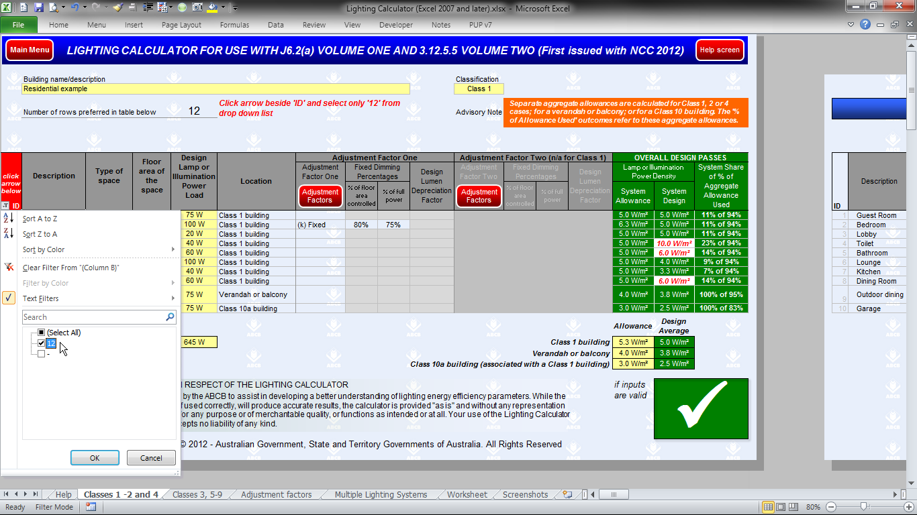
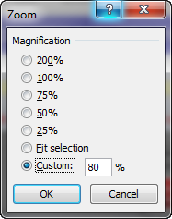
To change the size of the form on screen:
In the Zoom box (on the View tab), click the preferred size or enter a custom number from 10% to 400%.
To change the number of rows displayed (step 2 of 2):
Click the arrow in the red filled heading above and then select the only number in the drop down list. (This number will always match the number input for step 1.)
To change the number of rows displayed (step 1 of 2):
Input the required number of rows here and press Enter. (This cell will not accept numbers that would cause rows with data to be hidden.)
Alternative zoom setting option:
Use 80% zoom to see full width of the form with 10 rows on a 1366 x 768 resolution screen.
Additional information table:
A table to the right of the calculator form provides additional information about the impact of any adjustment factors used for individual lighting systems.
Scroll right to see the table.

 | Screenshot shows the Residential calculator

Main Menu
Help screen
2 | Adding and changing lighting details:

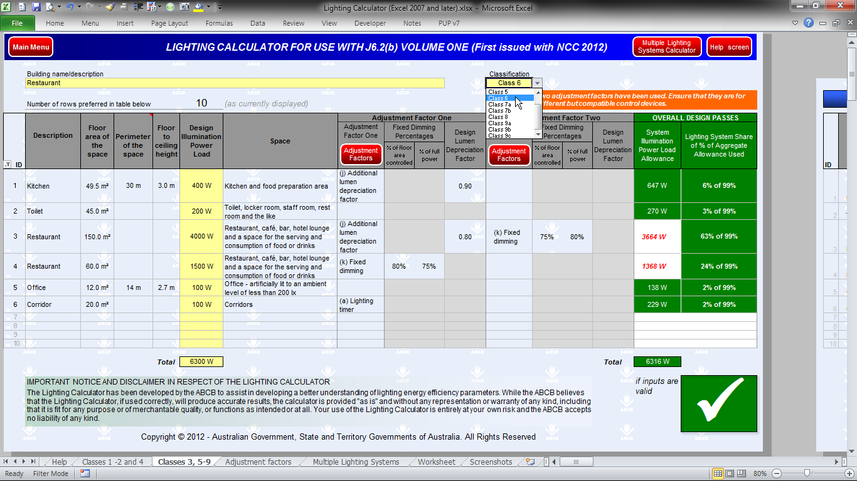
Room Aspect Ratio:
Input data for these two columns is needed only when intending to use the Room Aspect Ratio Adjustment Factor.
Classification menu:
Use the drop down menu to select the building Classification.
Calculated Outcomes:
Outcomes are displayed progressively as lighting systems are added to the table, provided details for each system are complete.
Results may change as more systems are added.
Navigation button:
Links to a detailed list of Adjustment Factors.
Navigation button:
Links to calculator for multiple lighting systems.
"Adjustment Factors" menu:
Items listed in the drop down menu relate to those in Table J6.2b.
User's worksheet:
The worksheet on this tab can be used for notes or supplementary calculations (if desired).
"Space" menu:
Spaces listed in the drop down menu match those in Table J6.2a.

 | Screenshot shows the Non Residential calculator

Main Menu
Help screen
3 | Error and alert messages:
.
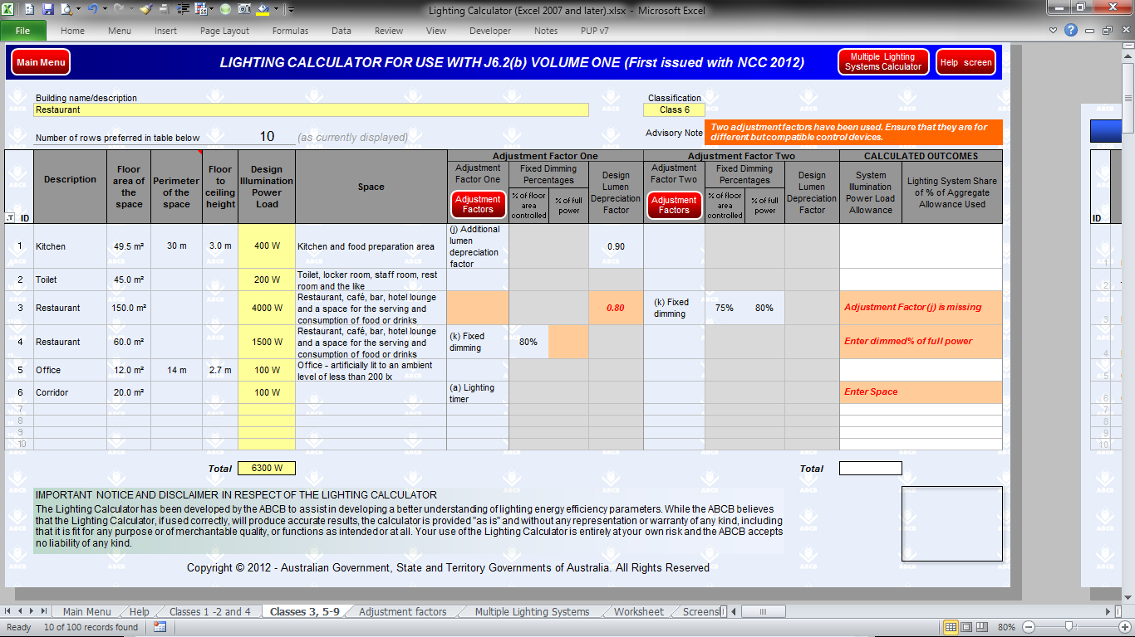
Input Alerts:
Input alerts about missing data may appear in the Outcomes area of the lighting systems table.
Missing data highlight:
Colour fill highlights missing Adjustment Factor data mentioned in input alerts to the right.
Data highlighting:
Data without an expected related value is shown in red bold italics font. (In this case, the related Factor is missing.)
Advisory Notes:
Advisory notes may appear above the table in response to some lighting systems inputs.
Missing data:
Missing inputs for columns to the left of the Adjustment Factor columns are not colour filled but are identified in the input alert by column name.
Outcomes reporting:
Outcomes are not displayed when input issues have been identified.

 | Screenshot shows the Non Residential calculator

Main Menu
Help screen
4 | Outcomes reporting: (Residential calculator)

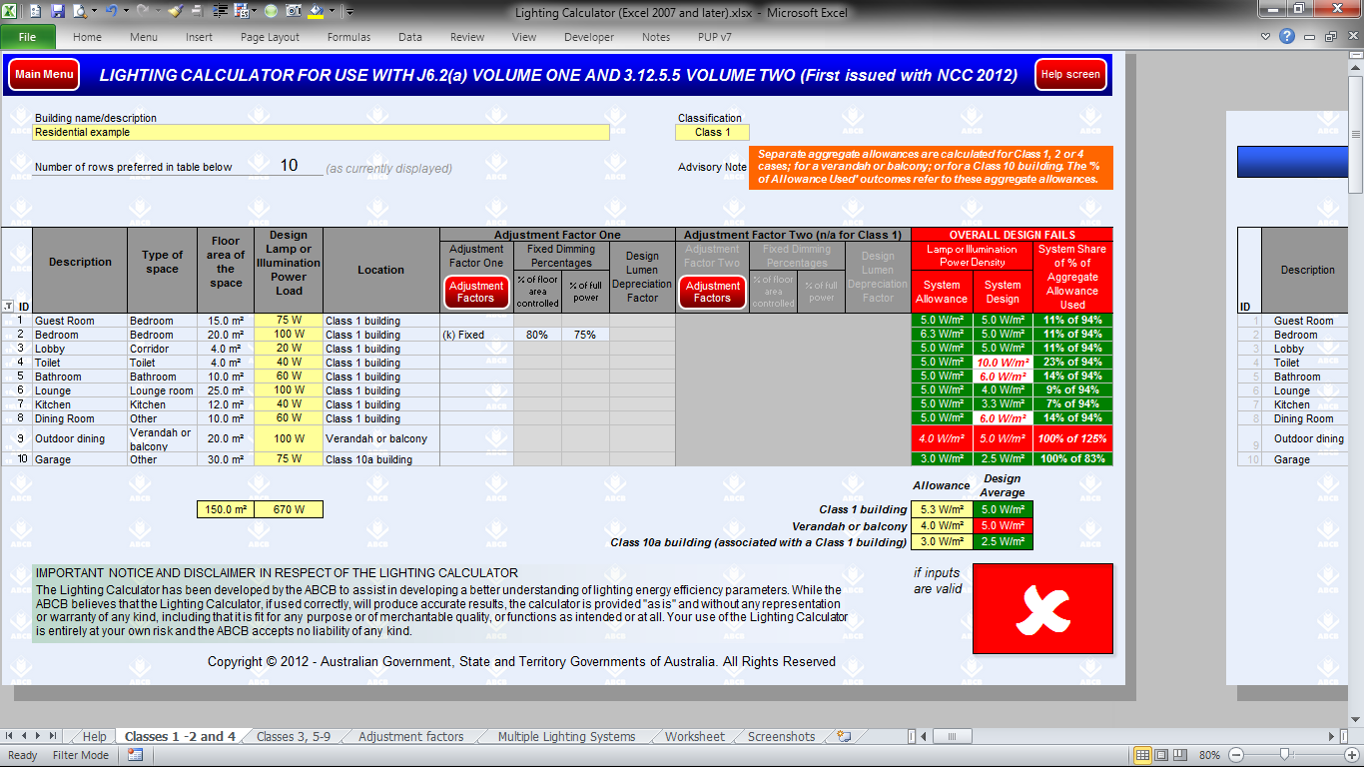
Advisory Note:
Note explains that separate aggregate allowances are calculated when there are inputs for lighting systems in different Locations.
Tick / Cross box:
A Pass for the overall design is indicated by a tick (on green fill) in this box. A Failure is shown by a cross (on red fill).
Locations for reporting:
Systems in the three different Locations input in this example are separately assessed and reported in the Outcomes columns.
Allowance column:
Text and fill colour in this column matches the formatting of the "System Share" column on the right of the table.
Critical Location:
The Failure for this Location causes the overall design to Fail.
System Shares and Location Outcomes:
The Help screen explains how to interpret these % values. Green fill indicates an aggregate Pass for the Systems in each Location.
Space Outcomes:
Red font on white fill shows that a system exceeds the allowance for its Space when the aggregate for the Location still Passes.
Outcomes heading:
Outcomes area heading text and fill colour changes to indicate whether the overall design Passes or Fails.)

 | Screenshot shows the Residential calculator. Scroll down for the Non Residential calculator.

Main Menu
Help screen
5 | Outcomes reporting: (Non Residential calculator)

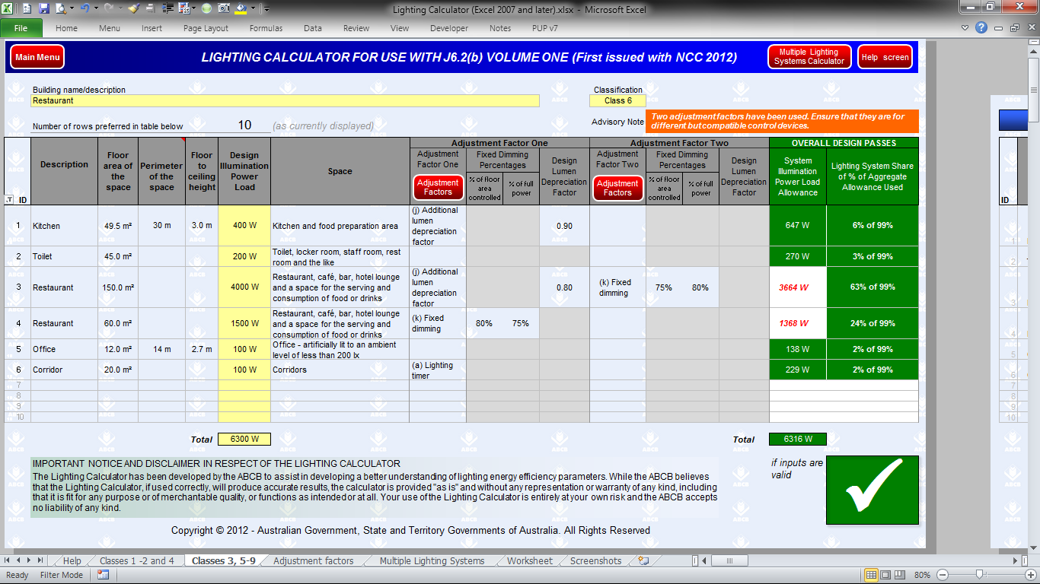
Tick / Cross box:
A Pass for the overall design is indicated by a tick (on green fill) in this box. A Failure is shown by a cross (on red fill).
Total Design Illumination Power Load:
The sum of all Loads reported here can be compared with the sum of all Allowances at right.
System Shares and Aggregate Outcome:
The Help screen explains how to interpret these % values. Green fill indicates a Pass for the aggregate of all Systems in the listed Spaces..
Outcomes Heading:
Outcomes area heading text and fill colour changes to indicate whether the overall design Passes or Fails.)
Total Illumination Power Load Allowance:
The sum of all Allowances is reported here and can be compared with the sum of all Loads at left. Green fill indicates that the total is no less than the total Load.
Allowances column:
Red font on white fill shows that a system exceeds the allowance for its Space when the aggregate design still Passes.

 | Screenshot shows the Non Residential calculator.

